Sewing Instruction
*S# TTL39001 Sewing Instruction
8. Construction w/ sketch |  | BODY | NECK BINDING COLOR | THREAD COLOR | PURL EDGE STITCH THREAD COLOR
 | LETTUCE EDGE RIB TEE | BLACK SOOT | DTM | DTM | DTM
MAIN HEAT SEAL LABEL
-Center back neck.
-Should be positioned 0.5" down from the
EDGE OF STITCH.
0.5"
* Pls refer to enclosed PP sample. | TTL39001 | WINTER WHITE | DTM | DTM | DTM
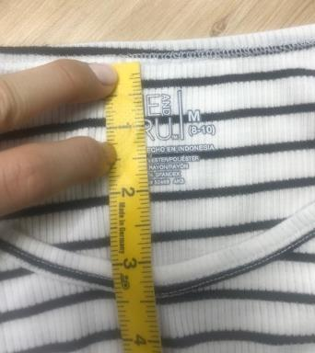
 |  | APPLE JUICE | DTM | DTM | DTM
NECK
- 3/8" , 3 layer self binding with 1/8" gauge 2N bottom coverstitch (ISO 406). Add SN tacking binding seam on the wearer's left seam (3/16") margin toward back side)
 |  | SPICED CIDER | DTM | DTM | DTM
 |  | LILAC DEW | DTM | DTM | DTM
 |  | PURPLE PEARL | DTM | DTM | DTM
 |  | GEM SLATE | DTM | DTM | DTM
 |  | MULTI STRIPE | GEM SLATE | GEM SLATE | GEM SLATE
 |  | BLACK AND WHITE STRIPE | BLACK | WHITE | BLACK
SHOULDER SEAM
- Apply mobilon tape @ SHOULDER SEAM
 | 11. Watch out!!

SLEEVE OPENING & BOTTOM HEM
-1/8" gauge Purl edge stitch.
 | 1. Cutting | 1. In advance to start production, please check and reconfirm the yardage consumption.
 |  | 2. Unroll the fabric for at least 48hours and check fabric data before cutting.
 |  | 3. At least 10% of the fabric should be inspected Within 7 days from fabric ETA date.
*CIRCULAR SEAM:
1. Sew FT & BK panel together from side seam to sleeve in-seam.
2. Pls sew FT & BK hem at once.
 |  | (Please use report format from HQ QC team and proceed lab test constantly.)
 |  | 4. Before start cutting, any issues from fabric inspection or testing must be informed to HQ / branch office QC
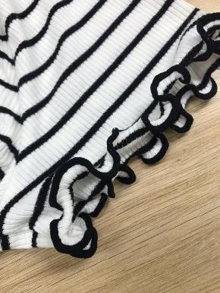
 |  | 5. The standard of garment shrinkage is 5x5. (After receiving the fabric, must do fabric test to avoid shrinkage problem.)
 |  | 6. The body weight standard is 230gsm
 |  | 7. Please check skewness of each dye lot. Internal test result is not qualified.
 |  | 8. During cutting, panel of fabric shouldn't be stretched out. Please follow all as given spec
1
 | 2. Sewing | 1. ALL PROCEDURE SHOULD BE BASED ON THE APPROVED SMPL.
 |  | 2. Please keep the appropriate SPI . If not, it may cause the turnel because of unsuitable SPI. (SPI 11~12)
 |  | 3. Please use poly spun 40S thread for all needle thread, use poly texture 150D thread for all looper thread including coverstitch, use nylon 100D thread for purl edge stitch.
 |  | 4. Mobilon tape is used for shoulder seam (Mobilon #0608)
 |  | 5. Make sure all labels are in correct placement.
 |  | 6. Underarm jointed seam should match well
 |  | 7. Stripe version: Matching side seams & 1 point at armhole
SIDE, SLEEVE IN SEAM & ARM HOLE SEAM
SHOULDER SEAM
- 2 NEEDLE 4 THREAD OVEREDGE (IS0 514)
CARE LABEL & T-LABEL
-Care label: Attach 3" above wearer's left side seam
-T-label: Attach behind care label.
 |  | 8. This style has purl edge stitches at sleeve & bottom openings. Make sure to control the Purl edge stitch SPI and appearance.
 |  | 9. Neck & armhole shape should be symmetrical at right and left.
 |  | 10. the ruffle appearance must be consistent and balanced all way around, be sure to follow the correct SPI in order to avoid measurement issues.

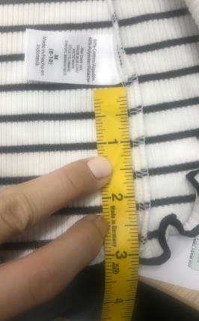

3"
 | 3. Finishing
 |  | 1. Please do not over press the product
 |  | 2. Symmetric neck shape & armhole shape

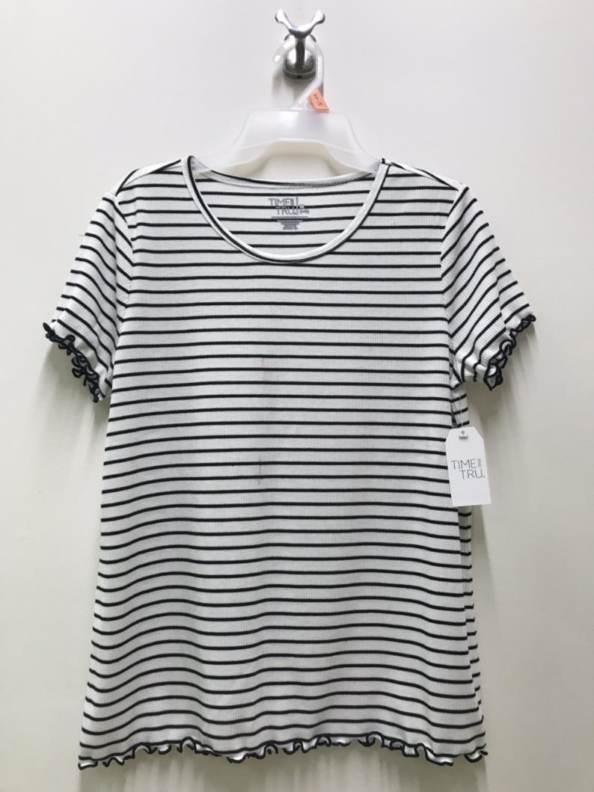
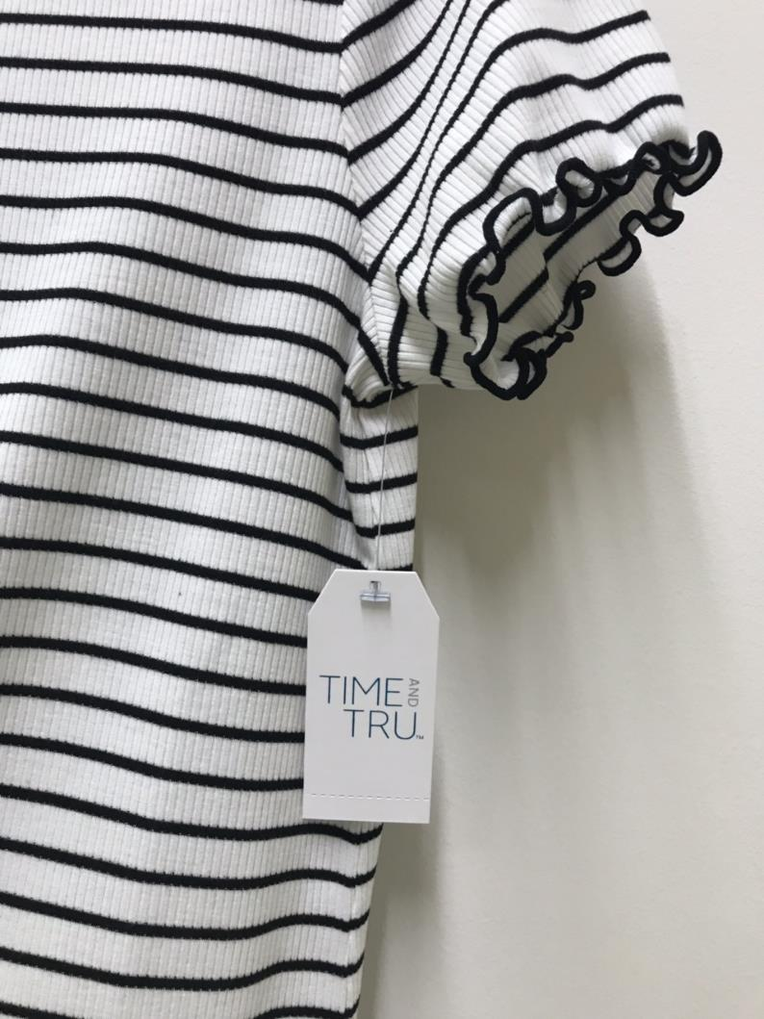
 | 4. Packing | Folding and hanging pack
 |  | For hanging, hang tags needs to be attached at wearer's left armit. Brand logo needs to be faced at front.
 |  | For folding, we use size sticker

9. Spec Description | 12. Safety

PLEASE SEE SPEC SHEET

TTL39001-FOLDING
TTL39001 LABEL RECAP
MAIN LABEL CODE # | TTMU41019 (FOR SOLID), TTMU41033 (HALO FOR STRIPE)
CARE LABEL CODE # | GENA30048
SIZE STICKER CODE # | TTMU41010
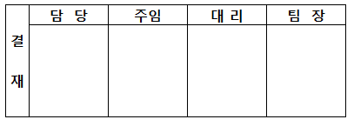
CARTON STICKER (INITIAL SET & NEW STORE) | WMA-NMS-002M
S/# | EAN CODE # SHEET 참조
C/O | VIETNAM
ITEM DESCRIPTION | TT LETTUCE EDGE RIB TEE
PRODUCT DESCRIPTION | Rib T-Shirt
PRODUCT FEATURE | 1. Short Sleeve
 | 2. Semi-Fitted
CARTON MARKING | LETTUCE EDGE TEE
SUB/FIN # | 00/0616
SEASON CODE | 0319
FOLDING
REPLACEMENT CODE | WSDSC
DEP# | 34
RETAIL PRICE | $6.96
SIZE 표기 | SEE BLW
EAN # | SEE BLW
** CONTENT **
67% POLYESTER 29% RAYON 4% SPANDEX

** CARE INSTRUCTIONS **
FOR S#TTL39001
MACHINE WASH COLD SEPARATELY OR WITH LIKE COLORS, ONLY NON -CHLORINE BLEACH WHEN NEEDED, TUMBLE DRY LOW, MEDIUM IRON WHEN NEEDED

EAN CODE# FOR TTL39001FD/SFD (ERP#TTL39001)

STYLE # | CONTENT | COLOR NAME | SIZE | EAN # |  |  |  | ITEM DESCRIPTION | EDGE STITCH COLOR | MAIN LABEL COLOR
 |  |  |  | 국가코드 | 제조업체 | 상품코드 | CHECK
TTL39001FD (FOLDING SOLID) | 67% POLYESTER 29% RAYON 4% SPANDEX | BLACK SOOT | S(4-6) | 8809643784245 |  |  |  | TT 3/4 SLEEVE RIB TEE | BODY DTM | WHITE (TTMU41019) | 8809643784245
 |  | BLACK SOOT | M(8-10) | 8809643784252 |  |  |  |  |  |  | 8809643784252
 |  |  | L(12-14) | 8809643784269 |  |  |  |  |  |  | 8809643784269
 |  |  | XL(16-18) | 8809643784276 |  |  |  |  |  |  | 8809643784276
 |  |  | XXL(20) | 8809643784283 |  |  |  |  |  |  | 8809643784283
 |  |  | XXXL(22) | 8809643784290 |  |  |  |  |  |  | 8809643784290
 |  | WINTER WHITE | S(4-6) | 8809643784306 |  |  |  |  | BODY DTM | GREY (TTMU41019) | 8809643784306
 |  | WINTER WHITE | M(8-10) | 8809643784313 |  |  |  |  |  |  | 8809643784313
 |  |  | L(12-14) | 8809643784320 |  |  |  |  |  |  | 8809643784320
 |  |  | XL(16-18) | 8809643784337 |  |  |  |  |  |  | 8809643784337
 |  |  | XXL(20) | 8809643784344 |  |  |  |  |  |  | 8809643784344
 |  |  | XXXL(22) | 8809643784351 |  |  |  |  |  |  | 8809643784351
 |  | APPLE JUICE | S(4-6) | 8809643784368 |  |  |  |  | BODY DTM | WHITE (TTMU41019) | 8809643784368
 |  | APPLE JUICE | M(8-10) | 8809643784375 |  |  |  |  |  |  | 8809643784375
 |  |  | L(12-14) | 8809643784382 |  |  |  |  |  |  | 8809643784382
 |  |  | XL(16-18) | 8809643784399 |  |  |  |  |  |  | 8809643784399
 |  |  | XXL(20) | 8809643784405 |  |  |  |  |  |  | 8809643784405
 |  |  | XXXL(22) | 8809643784412 |  |  |  |  |  |  | 8809643784412
 |  | SPICED CIDER | S(4-6) | 8809643784429 |  |  |  |  | BODY DTM | WHITE (TTMU41019) | 8809643784429
 |  | SPICED CIDER | M(8-10) | 8809643784436 |  |  |  |  |  |  | 8809643784436
 |  |  | L(12-14) | 8809643784443 |  |  |  |  |  |  | 8809643784443
 |  |  | XL(16-18) | 8809643784450 |  |  |  |  |  |  | 8809643784450
 |  |  | XXL(20) | 8809643784467 |  |  |  |  |  |  | 8809643784467
 |  |  | XXXL(22) | 8809643784474 |  |  |  |  |  |  | 8809643784474
 |  | LILAC DEW | S(4-6) | 8809643784481 |  |  |  |  | BODY DTM | WHITE (TTMU41019) | 8809643784481
 |  | LILAC DEW | M(8-10) | 8809643784498 |  |  |  |  |  |  | 8809643784498
 |  |  | L(12-14) | 8809643784504 |  |  |  |  |  |  | 8809643784504
 |  |  | XL(16-18) | 8809643784511 |  |  |  |  |  |  | 8809643784511
 |  |  | XXL(20) | 8809643784528 |  |  |  |  |  |  | 8809643784528
 |  |  | XXXL(22) | 8809643784535 |  |  |  |  |  |  | 8809643784535
 |  | PURPLE PEARL | S(4-6) | 8809643784542 |  |  |  |  | BODY DTM | WHITE (TTMU41019) | 8809643784542
 |  | PURPLE PEARL | M(8-10) | 8809643784559 |  |  |  |  |  |  | 8809643784559
 |  |  | L(12-14) | 8809643784566 |  |  |  |  |  |  | 8809643784566
 |  |  | XL(16-18) | 8809643784573 |  |  |  |  |  |  | 8809643784573
 |  |  | XXL(20) | 8809643784580 |  |  |  |  |  |  | 8809643784580
 |  |  | XXXL(22) | 8809643784597 |  |  |  |  |  |  | 8809643784597
 |  | GEM SLATE | S(4-6) | 8809643784603 |  |  |  |  | BODY DTM | WHITE (TTMU41019) | 8809643784603
 |  | GEM SLATE | M(8-10) | 8809643784610 |  |  |  |  |  |  | 8809643784610
 |  |  | L(12-14) | 8809643784627 |  |  |  |  |  |  | 8809643784627
 |  |  | XL(16-18) | 8809643784634 |  |  |  |  |  |  | 8809643784634
 |  |  | XXL(20) | 8809643784641 |  |  |  |  |  |  | 8809643784641
 |  |  | XXXL(22) | 8809643784658 |  |  |  |  |  |  | 8809643784658
TTL39001SFD (FOLDING STRIPE) |  | MULTI STRIPE | S(4-6) | 8809643784665 |  |  |  |  | GEM SLATE | GREY TYPE W/ WHITE HALO (TTMU41033) | 8809643784665
 |  | MULTI STRIPE | M(8-10) | 8809643784672 |  |  |  |  |  |  | 8809643784672
 |  |  | L(12-14) | 8809643784689 |  |  |  |  |  |  | 8809643784689
 |  |  | XL(16-18) | 8809643784696 |  |  |  |  |  |  | 8809643784696
 |  |  | XXL(20) | 8809643784702 |  |  |  |  |  |  | 8809643784702
 |  |  | XXXL(22) | 8809643784719 |  |  |  |  |  |  | 8809643784719
 |  | BLACK AND WHITE STRIPE | S(4-6) | 8809643784726 |  |  |  |  | EDGE & NECK BINDING STITCH :BLACK SOOT BODY STITCH : WINTER WHITE | GREY TYPE W/ WHITE HALO (TTMU41033) | 8809643784726
 |  | BLACK AND WHITE STRIPE | M(8-10) | 8809643784733 |  |  |  |  |  |  | 8809643784733
 |  |  | L(12-14) | 8809643784740 |  |  |  |  |  |  | 8809643784740
 |  |  | XL(16-18) | 8809643784757 |  |  |  |  |  |  | 8809643784757
 |  |  | XXL(20) | 8809643784764 |  |  |  |  |  |  | 8809643784764
 |  |  | XXXL(22) | 8809643784771 |  |  |  |  |  |  | 8809643784771

